Sheet1
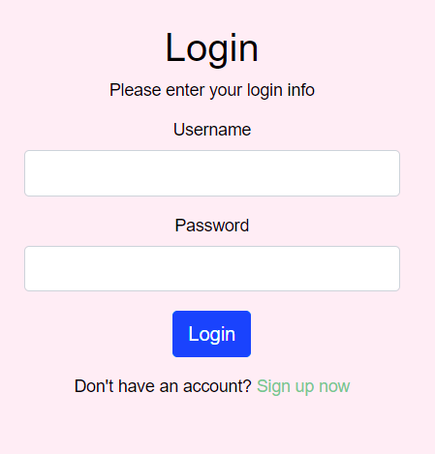
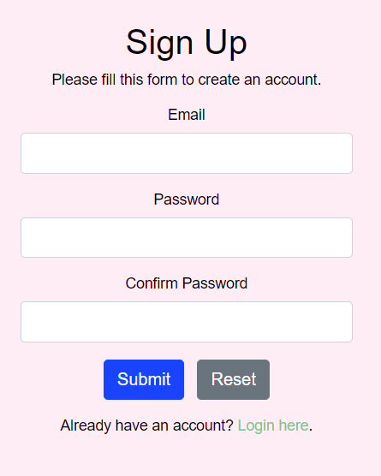

Clears the email, password, and confirm boxes

Navigates to Home Page after successful login

NOTE: If login fails, a message appears and allows them to try again.
Navigates to the Sign Up Page (shown to the right)
Navigates to Home Page after successful account createion
Navigates to the Login
Page (shown to the left)

NAVIGATION BAR
Navigates to the Home Page
Navigates to the current Users' sets
Navigates to the study section
Navigates to the Admin Page
(only shows if admin login was used)

 | Home | Search | Subjects | Cards | Learn | Admin Logs | Logout

Navigates to the Search Page
Navigates to the current Users' cards
Navigates to the Login Page upon Logout

Gray fill indicates that it is the page currently on (being viewed or displayed)

 | Home | Search | Learn | My Sets | Admin Logs | Logout

 |  | Quizknows

 |  |  | About Us:
 |  |  | QuizKnows where knowledge is our top priority. QuizKnows cares about its users and is here to help you learn.Here at QuizKnows, we believe knowledge is what makes the world go around. QuizKnows, over the past decade, has climbed the ranks to become a nationally recognized major competitor in designing tools used for studying and learning. As the Internet continues to grow into the massive powerhouse that it is today, knowledge has become widely available to the masses at light speed. QuizKnows founded by Aaron, Steven, Gillian, and Kristi.

 | Home | Search | Subjects | Cards | Learn | Admin Logs | Logout
Submit button begins the search
 |  |  |  | Username » | Submit

User types into this box to search their sets or other users sets
Drop down menu so that user can choose from Username, Card ID, or Set ID

Results appear in a table below if found, if none found just the header appears
 |  | Card ID | Subject ID | Question | Answer

 | PAGES FOR CARDS

 | Home | Search | Subjects | Cards | Learn | Admin Logs | Logout
 | Cards: Create

User types in the text boxes then hits submit.
 | Create | Update | Delete | Read | View All | View A Set
 | Use the form below to add a new card.
 | Subject ID:
 | Question:
 | Answer:
 | Submit

Cards just created also appear in this table. If none have been created yet a message says "No cards found!" and no table shows
 |  | ID | Subject I Name | Question | Answer

 | Home | Search | Subjects | Cards | Learn | Admin Logs | Logout
 | Cards - Update

 | Create | Update | Delete | Read | View All | View A Set

 | Use the form below to update a card.

User types in the text boxes then hits submit.
 | Card ID:
 | Subject ID:
 | Question:
 | Answer:
 | Submit

 | Home | Search | Subjects | Cards | Learn | Admin Logs | Logout
 | Cards - Delete

 | Create | Update | Delete | Read | View All | View A Set

 | Use the form below to delete a card.

User types in the text box then hits submit.
 | Card ID:
 | Submit

 | Home | Search | Subjects | Cards | Learn | Admin Logs | Logout
 | Cards: Read a Card

 | Create | Update | Delete | Read | View All | View A Set

 | Use the form below to search by Card ID.
User types in the text box then hits submit.
 | Card ID:
 | Submit

 | No card found!
Shows a table with the card (as seen above) or displays this message.

 | Home | Search | Subjects | Cards | Learn | Admin Logs | Logout
 | Cards:View All

 | Create | Update | Delete | Read | View All | View A Set

 | Cards found:
Shows "Cards found: #" and shows a table with the card (as seen above) or displays this message.
.
 | No card found!

 | Home | Search | Subjects | Cards | Learn | Admin Logs | Logout
 | Cards: Read a Card

 | Create | Update | Delete | Read | View All | View A Set

 | Use the form below to search by the subject ID.
User types in the text box then hits submit.
 | Subject ID:
 | Submit

 | No card found!
Shows a table with the cards from the set (as seen above) or displays this message.

 | PAGES FOR SUBJECTS

 | Home | Search | Subjects | Cards | Learn | Admin Logs | Logout
 | Cards: List

 | List | Create | Read | Update | Delete

Shows "Subjects found: #" and shows a table with the card (as seen above) or displays this message.
.
 | Cards found:

 | No card found!

 | Home | Search | Subjects | Cards | Learn | Admin Logs | Logout
 | Cards: Create

User types in the text boxes then hits submit.
 | List | Create | Read | Update | Delete
 | Use the form below to add a new subject.
 | Subject Name:
 | Submit

Subjects just created also appear in this table. If none have been created yet a message says "No subjects found!" and no table shows
 |  | ID | Name

 | Home | Search | Subjects | Cards | Learn | Admin Logs | Logout
 | Subjects: Read

 | Create | Update | Delete | Read | View All | View A Set

 | Use the form below to search by Subject ID.
User types in the text box then hits submit.
Shows "Subjects found: #" and shows a table with the card (as seen above) or displays this message.
 | Subject ID:
 | Submit

 | No card found!

 | Home | Search | Subjects | Cards | Learn | Admin Logs | Logout
 | Subjects - Update

 | List | Create | Read | Update | Delete

 | Use the form below to update a subject.

User types in the text boxes then hits submit.
 | Subject ID:
 | Subject Name:
 | Submit

 | Home | Search | Subjects | Cards | Learn | Admin Logs | Logout
 | Cards - Delete

 | List | Create | Read | Update | Delete

 | Use the form below to delete a subject.
User types in the text box then hits submit.
 | Subject ID:
 | Submit

 | PAGES FOR LEARNING

 | Home | Search | Subjects | Cards | Learn | Admin Logs | Logout

 |  | Welcome message and descriptions of each way to learn.

Navigates to study page (flachcard style)
 |  | Study
Navigates to matching mode
 |  | Matching
Navigates to fill-in-the-blank mode
 |  | Fill in Blank

 | Home | Search | Subjects | Cards | Learn | Admin Logs | Logout

 |  | Study

 |  |  | Question
Reveals the answers to the question that is being displayed

Displays the next card until there are no more cards in the set
 |  |  | Answer

 |  |  | Show Answer |  | Next card >

 | Home | Search | Subjects | Cards | Learn | Admin Logs | Logout

 |  |  |  | Matching

 |  |  |  | Question 1
 |  |  |  | Question 2
 |  |  |  | Question 3
 |  |  |  | Question 4

 |  |  |  | Select
 |  |  |  | Answer 1
 |  |  |  | Answer 2
 |  |  |  | Answer 3
 |  |  |  | Answer 4

Goes to the next set of matching
 |  |  | 1
 |  |  | 2
 |  |  | 3
Checks the answers and displays message
 |  |  | 4
 |  |  |  | You are Correct! (or shows which are correct and which aren't)

 |  |  |  | Check Answer | Next Question

 | Home | Search | Subjects | Cards | Learn | Admin Logs | Logout

 |  |  |  | Fill in the Blank
Where the user types their answer for the card above
 |  |  | Question

Goes to the next question until end

Checks the answers and displays message saying if it is correct or incorrect

 |  |  | Check Answer |  | Next Question

 | PAGES FOR ADMIN

 | Exit Admin Area |  | Search | Cards | Users | Subjects | Logout
 | Cards - Delete

 | Update | Delete | Search

 | Use the form below to delete a card.

Admin types in the text box then hits submit.
 | Card ID:
 | Submit

 | Exit Admin Area |  | Search | Cards | Users | Subjects | Logout
 | Cards - Delete

 | Update | Delete | Search

 | Use the form below to update a card.

Admin types in the text boxes then hits submit.
 | Card ID:
 | Subject ID:
 | Question:
 | Answer:
 | Submit

 | Home | Search | Subjects | Cards | Learn | Admin Logs | Logout
Submit button begins the search
 |  |  |  | Username » | Submit

User types into this box to search their sets or other users sets
Drop down menu so that user can choose from Username, Card ID, or Set ID

 |  | klavigne's account was created at 2021-12-01 22:53:40
 |  | klavigne has logged in 3 times
 |  | klavigne was last online at 2021-12-03 15:53:31

Results appear in a table below if found, if none found just the header appears
 |  | Card ID | Subject ID | Question | Answer

 | Exit Admin Area |  | Search | Cards | Users | Subjects | Logout
 | Users - Delete
Admin types in the text boxes then hits submit.
 | Use the form below to delete a user.

 | Username
 | Submit

 | Exit Admin Area |  | Search | Cards | Users | Subjects | Logout
 | Subjects - Delete

 | Update | Delete | Search

Admin types in the text boxes then hits submit.
 | Use the form below to delete a subject.

 | Subject ID:
 | Submit

 | Exit Admin Area |  | Search | Cards | Users | Subjects | Logout
 | Subjects - Update

 | Update | Delete | Search

Admin types in the text boxes then hits submit.
 | Use the form below update a subject.

 | Subject ID:
 | Subject Name:
 | Submit

